Sprint 3 #36
 | Add one page 0.6 Job Title |  |  |  | Add new column in 0.2 Account

0.6 Job Title
 |  |  | 0.2 Account
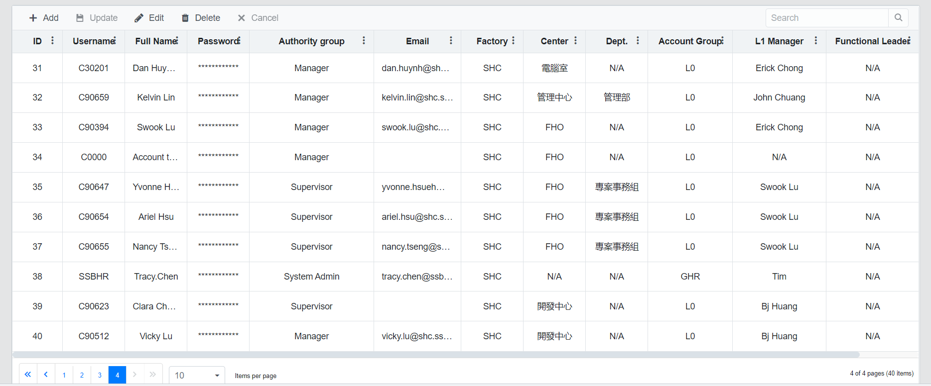
 |  |  |  | ID | Username | Fullname | Password | Authority Group | Job Title | Email | Factory | Center | Dept. | Account Group | L1 Manager | Functional Leader
 |  |  |  | 1 | C90512 | BJ Huang | ****** | Manager | Vice Director |  | SHC | 開發中心 | N/A | L0 | Erick Chong | N/A
 | 職稱 | Job Title |  | 2 | C90417 | Vicky Lu | ****** | Manager | Manager |  | SHC | 開發中心 | N/A | L0 | BJ Huang | N/A
 | 協理 | Director
 | 特助一級 | Executive Specialist Level Ⅰ
 | 副協理 | Vice Director
 | 特助二級 | Executive Specialist Level Ⅱ
 | 資深經理 | Senior Manager
 | 高專一級 | Senior Specialist Level Ⅰ
 | 經理 | Manager
 | 高專二級 | Senior Specialist Level Ⅱ
 | 副理 | Vice Manager
 | 高專三級 | Senior Specialist Level III
 | 襄理/廠長 | Assistant Manager / Factory Chief
 | 高專四級 | Senior Specialist Level IV
 | 主任 | Senior Section Chief
 | 專員一級 | Specialist I
 | 課長 | Section Chief
 | 專員二級 | Specialist Ⅱ

Chinese version selections
English version selections

